Sheet1
Item | Status | Scope | Is Approved | Type | Priority | Estimates (hours) | Description
[General] Remove unused namespace, code, validation | Done | Entire solution | Approved | Coding Standard | High | 4 | remove unused namespace, varibale and unreachable validation code | 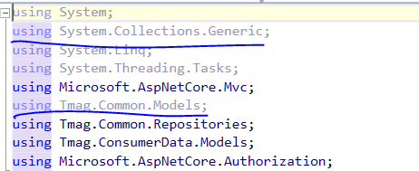
[General] Restructure code, separate to layers |  | Entire solution |  | Coding standard | Low | 52 | Currently the controller access to repository layer, get data and return the response. All the business logic now put into controller action. This is a bad practice to build and maintain your application. We should separate application logic into layers : Repository, Business service, Presenter (controller / api). It will help your code much cleaner, easy to maintain and upgrade, easy to apply other partern into your application. => Apply SOLID principle Add ViewModel in APIController layer - number of controller : 26 , each controller wil take 2 hours | 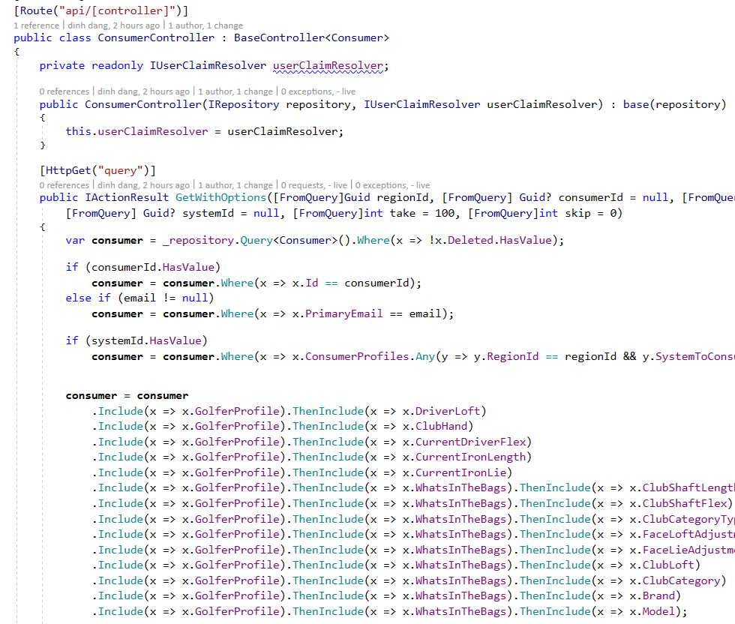
Refactor code for BagPanelFontController |  | BagPanelFont |  | Refactor | High | 8 | Add Service layer, ViewModel to BagPanelFontController
Refactor code for ConsumerController |  | Consumer |  | Refactor | High | 8 | Add Service layer, ViewModel to ConsumerController
Refactor code for ConsumerExperienceFontController |  | ConsumerExperience |  | Refactor | High | 8 | Add Service layer, ViewModel to ConsumerExperienceController
Refactor code for ConsumerOptInController |  | ConsumerOptIn |  | Refactor | High | 8 | Add Service layer, ViewModel to ConsumerOptInController
Refactor code for WhatsInTheBagController |  | WhatsInTheBag |  | Refactor | High | 8 | Add Service layer , ViewModel to WhatsInTheBagController
[General] Used DTO, viewmodel object instead of database entity |  | Entire solution |  | Coding standard | High | 16 | Currently Api return database entity to end user. This is very bad practicce. It makes entire application (include client used api) strongly stick into your database . It cause a big problem for maintain and upgrade later - if we need change database structure (add/remove field), Hard to make application flexible, hard to change logic Client application (used api) shouldn't be known our entity structure. We must send them only the data they need, transformed into plain object Api data cost more web traffic since we just used few properties of object but need to return entire object structure (although some fields dont have value)
[General] Review code comment. Remove if already fixed |  | Entire solution | Approved | Coding Standard | Low | 1 | Check some commend in code then review business logic to see if code is already corvered | 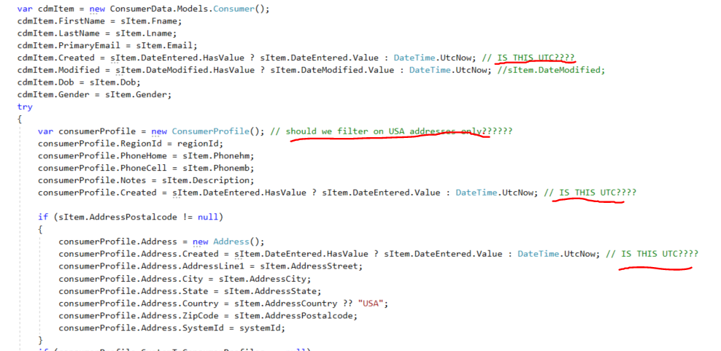
[General] Remove commened code | Done | Entire solution | Approved | Coding standard | Low | 0.5 | Remove unused code, we have git for tracking the history | 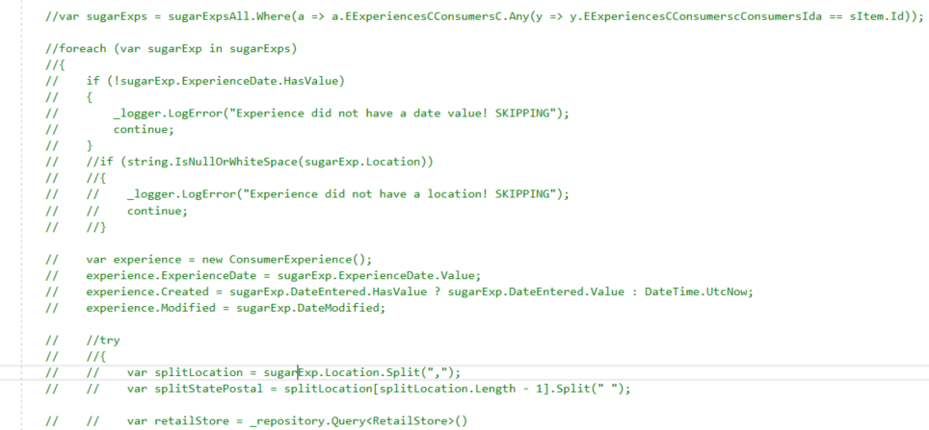
[General] Api naming convention |  | Entire solution |  | Coding standard | Low | 3 | There are some APIs have bad naming convention
[General] Categorized log message | Done | Entire solution | Approved | Coding standard | High | 4 | All log message now used .LogError api; this is not a correct usage. We should categorized kind of log message: For exception (LogError), log information for debug (Debug), log information for inform message (Trace)... This will help us easier to maintain when system running. Currently when we see into log file, we will see all messages are error. Hard to know which is real error, which is just a inform message. The messages text in separated class, helper | 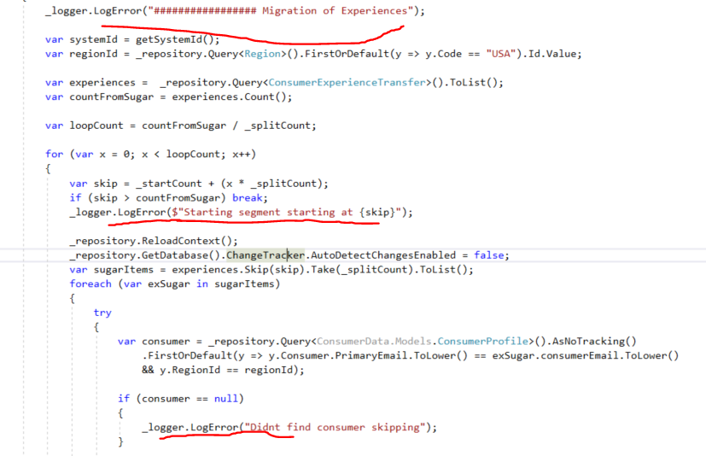
[General] Try catch with do nothing | Done | Entire solution | Approved | Coding logic | High | 1 | A lot of places in code used try-catch to capture runtime error; but when error happened then we do nothing, dont log error message, fallback code logic ... It may cause missing data at runtime and hard to reproduce, maintain system, there are a lot of try catch in one code block, move to the smaller functiion | 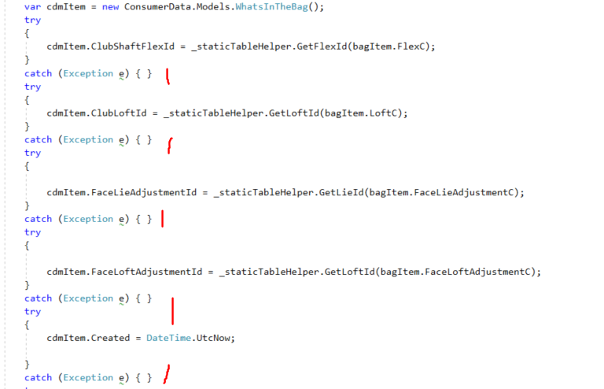
[General] Avoid hardcode text | Done | Entire solution | Approved | Coding standard | High | 2 | Alot of place in code used hardcode string for url, username, pass ... Should move to single place: Static class with const variable - Or move to config file | 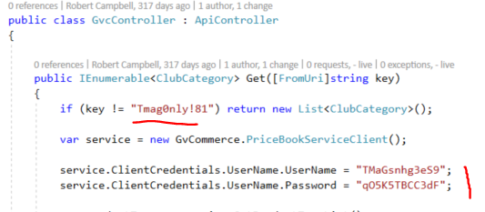
Memory leak when used database repository |  | All repositories |  | Coding logic | High |  | In Repository used DbContext object. This is Dispoable object and must be disposed after usage. Your current code logic is not supported that, then for each request - DbContext created it will remain in memory; take server memory and more important - keep connection to db; soon you will get runtime exception related to db connection
Review, remove try-catch in Repository |  | Tmag.Common.Repositories.Repository | Approved | Coding standard | High | 4 | Try-Catch with no log exception This is deeper layer, this should be verify careful to capture error here - We may lead to the case missing data in database but code still success. Better we should throw exception to upper layer (business layer) - to maintain error | 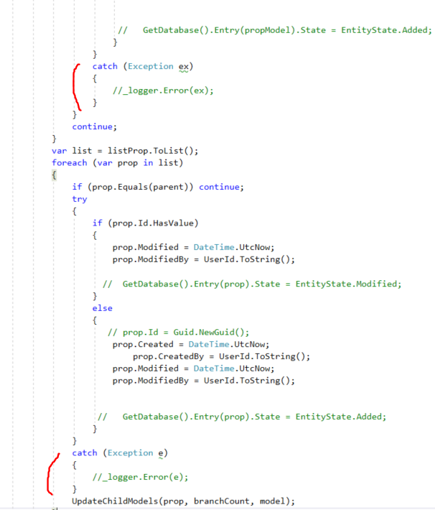
Add Automapper package |  | Entire solution |  | 3rd | Medium | 4 | AutoMapper can tranform data beetween 2 object very easy, and make the code more beautiful
Bearer token key is hardcode | Done | Tmag.ConsumerDataModelApi | Approved | Coding convention | High | 1 | Shoudld store token key in app setting file or in DB to easy to config | 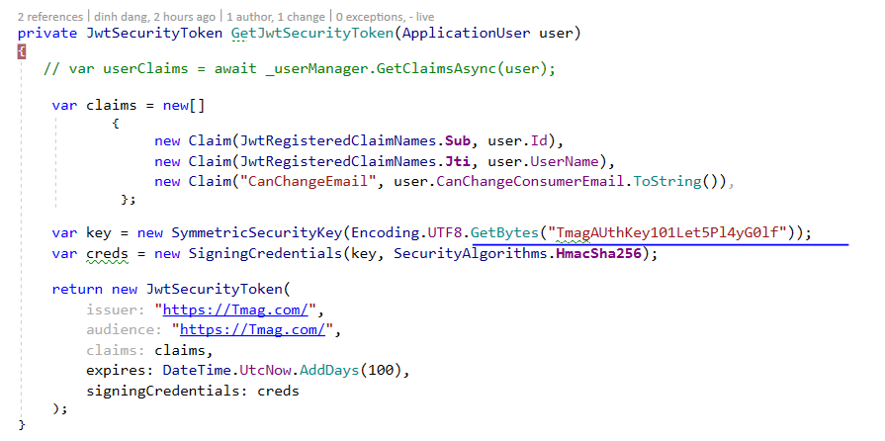
DB column length is too long |  | DB |  | Performance | Low | 8 | some column in DB table is too long (nvachar(2000)). Some column name is lower case, some is upper case
Unsafety when used .ToLower() |  | Entire solution |  | Coding logic | Medium | 3 | Some query to db used .ToLower() method: + Must be check null before usage. Otherwise we will got runtime exception when string is null + Sql use case insensitive to compare text. So no need to used .ToLower() in query
Trigger many query into db |  | Tmag.ConsumerDataModelApi.Controllers.ConsumerController |  | Coding logic | Medium | 3 | Foreach content retrieved, code logic access to db to get information. This will spam db alot. We should refactoring query, only access to db once
Add Logging function | inprogress | Entire solution | Approved | Infrastructure | High | 8 | Add logging function for mornitoring the system like : log4net. Logging all action into text files
Caching |  | Entire solution |  | Optimize | Low | 24 | Add custom caching data, apply ouput caching for tweak performance

